BOM
Item | Part Number | REV | Stock Number | Thumbnail | BOM Structure | Description | Material | Title | QTY | D | t | L | Keywords
1 | 4003-02.1-E01 | - |  | 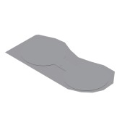 | Normal | Equipment Layout |  | Area 02 - Mixing Tank Area | 1 |  |  |  | Project
1.1 | 4003-613-A01 | - |  | 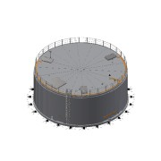 | Inseparable | Mixing Tank 1 |  | Mixing Area 02 | 1 |  |  |  | Equipment
1.1.1 | 4003-02-PS01 | - |  | 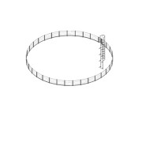 | Normal | Railing Ø16,2 m - Mixer |  | Area 02 | 1 |  |  |  | Project Specific Parts
1.1.1.1 | 0000-301-401 | - |  | 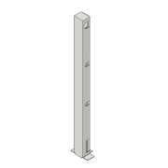 | Normal | Ralling Support | Steel, Galvanized | Area 02 | 34 |  |  |  | Internal Manufacturing
1.1.1.2 | 4003-02-PS02 | - |  | 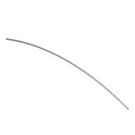 | Normal | Pipe Galvanized - DN40-Ø48,3x3,25 L=6000 - EN10255 | CS 1.0026 - S195T | Area 02 | 9 | 48,3 | 3,25 | 6000 | Internal Manufacturing
1.1.1.3 | 4003-02-PS03 | - |  |  | Normal | Pipe Galvanized - DN20-Ø26,9x2,65 L=6000 - EN10255 | CS 1.0026 - S195T | Area 02 | 18 | 26,9 | 2,65 | 6000 | Internal Manufacturing
1.1.1.4 | 4003-02-PS04 | - |  | 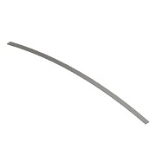 | Normal | Flat Bar Galvanized - 100x5 L=4000 - EN10058 | CS 1.0038 - S235JR | Area 02 | 13 |  | 5 | 4000 | Internal Manufacturing
1.1.1.5 | 0000-750-021 | - |  | 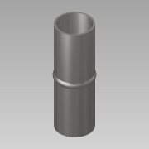 | Purchased | Straight joiner - Ø41xL124 | Steel, Galvanized |  | 8 | 1,0 | 1,0 | 1 | Mechanical Components
1.1.1.6 | 0000-750-021 | - |  | 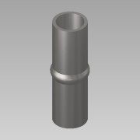 | Purchased | Straight joiner - Ø21xL70 | Steel, Galvanized |  | 16 |  |  |  | Mechanical Components
1.1.2 | 0000-700-073 | - |  |  | Normal | Console - Landia - 3640330 | N/A |  | 3 |  |  |  | PID-Equipment
1.1.3 | 0000-700-073 | - |  | 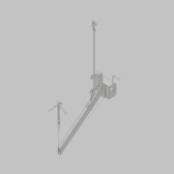 | Normal | Telescopic Crane arm - Landia - 7212036 | N/A |  | 1 |  |  |  | PID-Equipment
1.1.4 | 0000-700-073 | - |  | 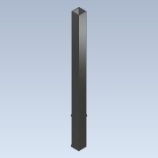 | Normal | Intermediate pipe - L=1300 - Landia - 7312097 | CS 1.0038 - S235JR |  | 1 |  |  |  | PID-Equipment
1.1.5 | 0000-702-003 |  |  | 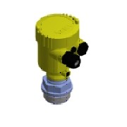 | Purchased | Pressure Transmitter - G1½ - VEGABAR 82 | - |  | 1 |  |  |  | PID-Instrument
1.1.6 | 0000-701-001 |  |  | 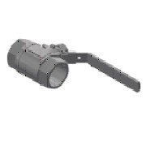 | Purchased | Ball valve - DN40 - manual - Valtor V-106 | SS 1.4301 - AISI 304 |  | 1 |  |  |  | PID-Valve
1.1.7 | 0000-702-016 | - |  | 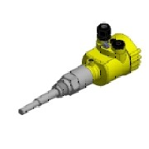 | Purchased | Level Sensor - G¾ - VEGACAP 62 | Generic |  | 1 |  |  |  | PID-Instrument
1.1.8 | 0000-703-028 |  |  | 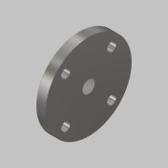 | Normal | Blind Flange with Threaded Hole - DN 50 - ¾'' - PN16 - DIN 2527-B | SS 1.4571 - AISI 316Ti |  | 1 |  |  |  | Standard Fittings
1.1.9 | 0000-703-022 |  | BF-150-000 | (NULL) | Purchased | Blind Flange - DN150 - PN10/16 - EN 1092-1 Typ 05 | SS 1.4571 - AISI 316Ti |  | 2 |  |  |  | Standard Fittings
1.1.10 | 4003-613-BM1-01 | - |  | 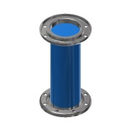 | Normal | Piping DN150 - Biomass Outlet - Link Seal Pipe |  | Area 02 | 2 |  |  |  | Project Piping
1.1.10.1 | 0000-703-001 | - | RO-168-026 | 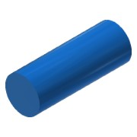 | Normal | Pipe - DN150-Ø168,3x2,6 L=450 - EN10217-7 | SS 1.4301 - AISI 304 |  | 1 | 168,3 | 2,6 | 450 | Project Piping
1.1.10.2 | 0000-703-020 |  |  | 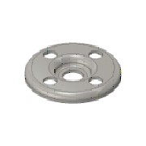 | Purchased | Pressed Flange - DN150-PN10/16 - EN 1092-1 Typ 02 | SS 1.4301 - AISI 304 |  | 2 |  |  |  | Standard Fittings
1.1.10.3 | 0000-703-010 |  | BÖ-168-026 | 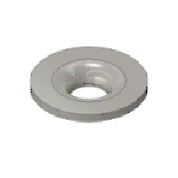 | Purchased | Collar - DN150/PN10-EN1092-1 Typ37 | SS 1.4301 - AISI 304 |  | 2 |  |  |  | Standard Fittings
1.1.11 | 4003-613-BM2-01 | - |  | 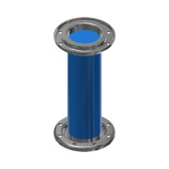 | Normal | Piping DN125 - Biomass Inlet - Link Seal Pipe |  | Area 02 | 2 |  |  |  | Project Piping
1.1.11.1 | 0000-703-001 | - | RO-139-026 | 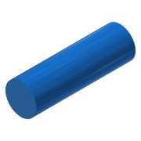 | Normal | Pipe - DN125-Ø139,7x2,6 L=446 - EN10217-7 | SS 1.4301 - AISI 304 |  | 1 | 139,7 | 2,6 | 446 | Project Piping
1.1.11.2 | 0000-703-020 |  |  |  | Purchased | Pressed Flange - DN125-PN10/16 - EN 1092-1 Typ 02 | SS 1.4301 - AISI 304 |  | 2 |  |  |  | Standard Fittings
1.1.11.3 | 0000-703-010 |  | BÖ-139-026 |  | Purchased | Collar - DN125/PN10-EN1092-1 Typ37 | SS 1.4301 - AISI 304 |  | 2 |  |  |  | Standard Fittings
1.1.12 | 4003-613-BM3-01 | - |  | 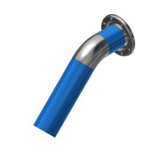 | Normal | Outlet Pipe - DN125 |  | Area 02 | 1 |  |  |  | Project/Piping
1.1.12.1 | 0000-703-001 | - | RO-139-026 | 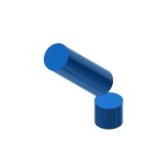 | Normal | Pipe - DN125-Ø139,7x2,6 L=551 - EN10217-7 | SS 1.4301 - AISI 304 |  | 1 | 139,7 | 2,6 | 551 | Project Piping
1.1.12.2 | 0000-703-020 |  |  |  | Purchased | Pressed Flange - DN125-PN10/16 - EN 1092-1 Typ 02 | SS 1.4301 - AISI 304 |  | 1 |  |  |  | Standard Fittings
1.1.12.3 | 0000-703-010 |  | BÖ-139-026 |  | Purchased | Collar - DN125/PN10-EN1092-1 Typ37 | SS 1.4301 - AISI 304 |  | 1 |  |  |  | Standard Fittings
1.1.12.4 | 0000-703-030 |  | 45-139-026 | 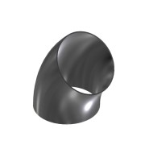 | Purchased | Elbow 45° - DN125 Ø139,7x2,6 - Type3-R190,5 - DIN2605 | SS 1.4301 - AISI 304 |  | 1 |  |  |  | Standard Fittings
1.1.13 | 4003-613-BM1-02 | - |  | 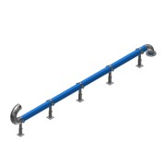 | Normal | Inlet Pipe from Receiving Tank |  | Area 02 | 1 |  |  |  | Project/Piping
1.1.13.1 | 0000-703-001 | - |  |  | Normal | Pipe - DN150-Ø168,3x2,6 L=4779 - EN10217-7 | SS 1.4301 - AISI 304 |  | 1 | 168,3 | 2,6 | 4779
1.1.13.2 | 0000-703-010 |  | BÖ-168-026 |  | Purchased | Collar - DN150/PN10-EN1092-1 Typ37 | SS 1.4301 - AISI 304 |  | 1 |  |  |  | Standard Fittings
1.1.13.3 | 0000-703-020 |  |  |  | Purchased | Pressed Flange - DN150-PN10/16 - EN 1092-1 Typ 02 | SS 1.4301 - AISI 304 |  | 1 |  |  |  | Standard Fittings
1.1.13.4 | 0000-703-030 |  | BO-168-026 | 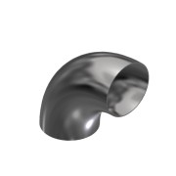 | Purchased | Elbow 90° - DN150 Ø168,3x2,6 - Type3-R229 - DIN2605 | SS 1.4301 - AISI 304 |  | 3 |  |  |  | Standard Fittings
1.1.13.5 | 0000-342-021 | - |  | 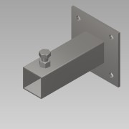 | Normal | Pipe holder foot L=200 | SS 1.4301 - AISI 304 |  | 5 | 1,0 | 1,0 | 1 | Basic Component
1.1.13.6 | 0000-342-029 | - |  | 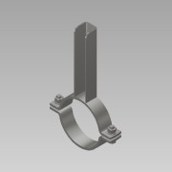 | Normal | Pipe Holder DN150-Ø168,3 | SS 1.4301 - AISI 304 |  | 5 | 1,0 | 1,0 | 1 | Basic Component
1.1.14 | 4003-613-D01 | - |  | 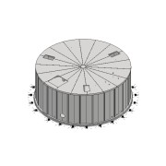 | Normal | Mixing Tank 1 | Concrete | Area 02 | 1 |  |  |  | Equipment
1.1.15 | 0000-301-051 | - |  | 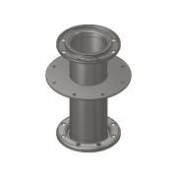 | Normal | TC- Flange DN150 PN10 L=450 - BM | SS 1.4301 - AISI 304 |  | 3 | 1,0 | 1,0 | 1 | Internal Manufacturing
1.1.16 | 0000-301-126 | - |  | 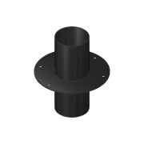 | Normal | TC- PE-Flange DN150-6'' L=400 - Ventilation | PE |  | 1 | 1,0 | 1,0 | 1 | External Manufacturing
1.1.17 | 0000-301-009-A | - |  | 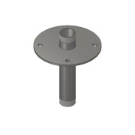 | Normal | TC - Nipple DN40 1½ L=250 - BM | SS 1.4301 - AISI 304 |  | 1 | 1,0 | 1,0 | 1 | Internal Manufacturing
1.1.18 | 0000-301-070 | - |  | 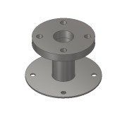 | Normal | TC -Flange DN50 PN10-16 L=150- BG | SS 1.4571 - AISI 316Ti |  | 5 |  |  |  | Internal Manufacturing
1.1.19 | 0000-353-200 | - |  | 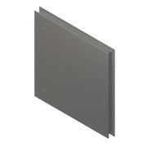 | Normal | Hatch 2500x2500x200 - Stainless Steel | SS 1.4301 - AISI 304 |  | 1 | 1,0 | 1,0 | 1 | Internal Manufacturing
1.1.20 | 0000-700-052 | - |  | 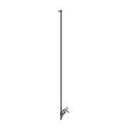 | Normal | Mixer - POP-I/POPR-I 18.5kW-300rpm | N/A |  | 3 |  |  |  | PID-Equipment
1.1.21 | 0000-751-051 |  |  | 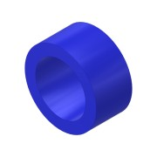 | Purchased | Link-Seal - Ø168,3 - LS-360-A4 | N/A |  | 2 |  |  |  | Building-Construction
1.1.22 | 0000-751-051 |  |  | 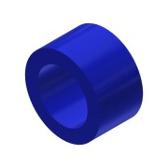 | Purchased | Link-Seal - Ø139,7 - LS-360-A4 | N/A |  | 2 |  |  |  | Building-Construction
1.1.23 | 0000-702-003 |  |  | 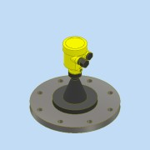 | Purchased | Radar Sensor - DN150-PN16 - Vegapuls 6X | N/A |  | 1 |  |  |  | PID-Instrument
1.1.24 | 0000-701-003 | - |  | 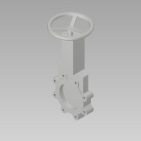 | Normal | Knife Gate Valve - DN150-PN10 - WB14 - Stafsjö | N/A |  | 1 | 1,0 | 1,0 | 1 | PID-Valve
1.1.25 | 0000-701-051 | - |  | 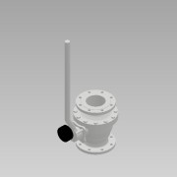 | Normal | Ball valve Manual with indicator - DN125/PN16 - Pekos 02 TTT/PI | N/A |  | 1 |  |  |  | PID-Valve
1.1.26 | 0000-353-002-F | - |  | 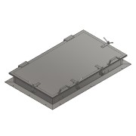 | Purchased | 1800X1000X200 Hatch | SS 1.4301 - AISI 304 |  | 3 |  |  |  | Basic Component
1.1.27 | 0000-703-022 |  | BF-050-000 | (NULL) | Purchased | Blind Flange - DN50 - PN10/16 - EN 1092-1 Typ 05 | SS 1.4571 - AISI 316Ti |  | 4 |  |  |  | Standard Fittings
1.1.28 | 4003-613-CD001-01-01 | - | RO-114-026 | 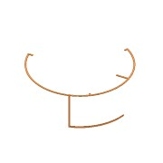 | Normal | Cable Tray KS80 - W200x53 | SS 1.4301 - AISI 304 |  | 1 | 200,0 | 2,6 | 49495 | Project Piping
1.1.29 | 4003-02-PS11 | - |  | 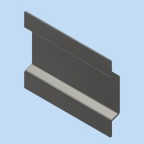 | Normal | Skid Plate Aluminum 5/2 | Aluminum | Area | 1 |  |  |  | Project Specific Parts
1.2 | 4003-613-A02 | - |  | 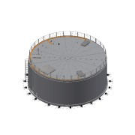 | Inseparable | Mixing Tank 2 |  | Mixing Area 02 | 1 |  |  |  | Equipment
1.2.1 | 0000-700-073 | - |  |  | Normal | Console - Landia - 3640330 | N/A |  | 3 |  |  |  | PID-Equipment
1.2.2 | 0000-700-073 | - |  |  | Normal | Telescopic Crane arm - Landia - 7212036 | N/A |  | 1 |  |  |  | PID-Equipment
1.2.3 | 0000-700-073 | - |  |  | Normal | Intermediate pipe - L=1300 - Landia - 7312097 | CS 1.0038 - S235JR |  | 1 |  |  |  | PID-Equipment
1.2.4 | 0000-702-003 |  |  |  | Purchased | Pressure Transmitter - G1½ - VEGABAR 82 | - |  | 1 |  |  |  | PID-Instrument
1.2.5 | 0000-701-001 |  |  |  | Purchased | Ball valve - DN40 - manual - Valtor V-106 | SS 1.4301 - AISI 304 |  | 1 |  |  |  | PID-Valve
1.2.6 | 0000-702-016 | - |  |  | Purchased | Level Sensor - G¾ - VEGACAP 62 | Generic |  | 1 |  |  |  | PID-Instrument
1.2.7 | 0000-703-028 |  |  |  | Normal | Blind Flange with Threaded Hole - DN 50 - ¾'' - PN16 - DIN 2527-B | SS 1.4571 - AISI 316Ti |  | 1 |  |  |  | Standard Fittings
1.2.8 | 0000-703-022 |  | BF-150-000 | (NULL) | Purchased | Blind Flange - DN150 - PN10/16 - EN 1092-1 Typ 05 | SS 1.4571 - AISI 316Ti |  | 2 |  |  |  | Standard Fittings
1.2.9 | 4003-613-D02 | - |  | 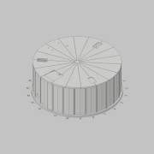 | Normal | Mixing Tank 2 | Concrete | Area 02 - Mixing Area | 1 |  |  |  | Equipment/Tank
1.2.10 | 0000-301-051 | - |  |  | Normal | TC- Flange DN150 PN10 L=450 - BM | SS 1.4301 - AISI 304 |  | 3 | 1,0 | 1,0 | 1 | Internal Manufacturing
1.2.11 | 0000-301-126 | - |  |  | Normal | TC- PE-Flange DN150-6'' L=400 - Ventilation | PE |  | 1 | 1,0 | 1,0 | 1 | External Manufacturing
1.2.12 | 0000-301-009-A | - |  |  | Normal | TC - Nipple DN40 1½ L=250 - BM | SS 1.4301 - AISI 304 |  | 1 | 1,0 | 1,0 | 1 | Internal Manufacturing
1.2.13 | 0000-301-070 | - |  |  | Normal | TC -Flange DN50 PN10-16 L=150- BG | SS 1.4571 - AISI 316Ti |  | 5 |  |  |  | Internal Manufacturing
1.2.14 | 0000-353-200 | - |  |  | Normal | Hatch 2500x2500x200 - Stainless Steel | SS 1.4301 - AISI 304 |  | 1 | 1,0 | 1,0 | 1 | Internal Manufacturing
1.2.15 | 0000-700-052 | - |  |  | Normal | Mixer - POP-I/POPR-I 18.5kW-300rpm | N/A |  | 3 |  |  |  | PID-Equipment
1.2.16 | 0000-751-051 |  |  |  | Purchased | Link-Seal - Ø168,3 - LS-360-A4 | N/A |  | 2 |  |  |  | Building-Construction
1.2.17 | 0000-751-051 |  |  |  | Purchased | Link-Seal - Ø139,7 - LS-360-A4 | N/A |  | 2 |  |  |  | Building-Construction
1.2.18 | 0000-702-003 |  |  |  | Purchased | Radar Sensor - DN150-PN16 - Vegapuls 6X | N/A |  | 1 |  |  |  | PID-Instrument
1.2.19 | 0000-701-003 | - |  |  | Normal | Knife Gate Valve - DN150-PN10 - WB14 - Stafsjö | N/A |  | 1 | 1,0 | 1,0 | 1 | PID-Valve
1.2.20 | 0000-701-051 | - |  |  | Normal | Ball valve Manual with indicator - DN125/PN16 - Pekos 02 TTT/PI | N/A |  | 1 |  |  |  | PID-Valve
1.2.21 | 0000-353-002-F | - |  |  | Purchased | 1800X1000X200 Hatch | SS 1.4301 - AISI 304 |  | 3 |  |  |  | Basic Component
1.2.22 | 4003-02-PS01 | - |  |  | Normal | Railing Ø16,2 m - Mixer |  | Area 02 | 1 |  |  |  | Project Specific Parts
1.2.22.1 | 0000-301-401 | - |  |  | Normal | Ralling Support | Steel, Galvanized | Area 02 | 34 |  |  |  | Internal Manufacturing
1.2.22.2 | 4003-02-PS02 | - |  |  | Normal | Pipe Galvanized - DN40-Ø48,3x3,25 L=6000 - EN10255 | CS 1.0026 - S195T | Area 02 | 9 | 48,3 | 3,25 | 6000 | Internal Manufacturing
1.2.22.3 | 4003-02-PS03 | - |  |  | Normal | Pipe Galvanized - DN20-Ø26,9x2,65 L=6000 - EN10255 | CS 1.0026 - S195T | Area 02 | 18 | 26,9 | 2,65 | 6000 | Internal Manufacturing
1.2.22.4 | 4003-02-PS04 | - |  |  | Normal | Flat Bar Galvanized - 100x5 L=4000 - EN10058 | CS 1.0038 - S235JR | Area 02 | 13 |  | 5 | 4000 | Internal Manufacturing
1.2.22.5 | 0000-750-021 | - |  |  | Purchased | Straight joiner - Ø41xL124 | Steel, Galvanized |  | 8 | 1,0 | 1,0 | 1 | Mechanical Components
1.2.22.6 | 0000-750-021 | - |  |  | Purchased | Straight joiner - Ø21xL70 | Steel, Galvanized |  | 16 |  |  |  | Mechanical Components
1.2.23 | 4003-613-BM1-01 | - |  |  | Normal | Piping DN150 - Biomass Outlet - Link Seal Pipe |  | Area 02 | 2 |  |  |  | Project Piping
1.2.23.1 | 0000-703-001 | - | RO-168-026 |  | Normal | Pipe - DN150-Ø168,3x2,6 L=450 - EN10217-7 | SS 1.4301 - AISI 304 |  | 1 | 168,3 | 2,6 | 450 | Project Piping
1.2.23.2 | 0000-703-020 |  |  |  | Purchased | Pressed Flange - DN150-PN10/16 - EN 1092-1 Typ 02 | SS 1.4301 - AISI 304 |  | 2 |  |  |  | Standard Fittings
1.2.23.3 | 0000-703-010 |  | BÖ-168-026 |  | Purchased | Collar - DN150/PN10-EN1092-1 Typ37 | SS 1.4301 - AISI 304 |  | 2 |  |  |  | Standard Fittings
1.2.24 | 4003-613-BM2-01 | - |  |  | Normal | Piping DN125 - Biomass Inlet - Link Seal Pipe |  | Area 02 | 2 |  |  |  | Project Piping
1.2.24.1 | 0000-703-001 | - | RO-139-026 |  | Normal | Pipe - DN125-Ø139,7x2,6 L=446 - EN10217-7 | SS 1.4301 - AISI 304 |  | 1 | 139,7 | 2,6 | 446 | Project Piping
1.2.24.2 | 0000-703-020 |  |  |  | Purchased | Pressed Flange - DN125-PN10/16 - EN 1092-1 Typ 02 | SS 1.4301 - AISI 304 |  | 2 |  |  |  | Standard Fittings
1.2.24.3 | 0000-703-010 |  | BÖ-139-026 |  | Purchased | Collar - DN125/PN10-EN1092-1 Typ37 | SS 1.4301 - AISI 304 |  | 2 |  |  |  | Standard Fittings
1.2.25 | 4003-613-BM3-01 | - |  |  | Normal | Outlet Pipe - DN125 |  | Area 02 | 1 |  |  |  | Project/Piping
1.2.25.1 | 0000-703-001 | - | RO-139-026 |  | Normal | Pipe - DN125-Ø139,7x2,6 L=551 - EN10217-7 | SS 1.4301 - AISI 304 |  | 1 | 139,7 | 2,6 | 551 | Project Piping
1.2.25.2 | 0000-703-020 |  |  |  | Purchased | Pressed Flange - DN125-PN10/16 - EN 1092-1 Typ 02 | SS 1.4301 - AISI 304 |  | 1 |  |  |  | Standard Fittings
1.2.25.3 | 0000-703-010 |  | BÖ-139-026 |  | Purchased | Collar - DN125/PN10-EN1092-1 Typ37 | SS 1.4301 - AISI 304 |  | 1 |  |  |  | Standard Fittings
1.2.25.4 | 0000-703-030 |  | 45-139-026 |  | Purchased | Elbow 45° - DN125 Ø139,7x2,6 - Type3-R190,5 - DIN2605 | SS 1.4301 - AISI 304 |  | 1 |  |  |  | Standard Fittings
1.2.26 | 4003-613-BM1-02 | - |  |  | Normal | Inlet Pipe from Receiving Tank |  | Area 02 | 1 |  |  |  | Project/Piping
1.2.26.1 | 0000-703-001 | - |  |  | Normal | Pipe - DN150-Ø168,3x2,6 L=4779 - EN10217-7 | SS 1.4301 - AISI 304 |  | 1 | 168,3 | 2,6 | 4779
1.2.26.2 | 0000-703-010 |  | BÖ-168-026 |  | Purchased | Collar - DN150/PN10-EN1092-1 Typ37 | SS 1.4301 - AISI 304 |  | 1 |  |  |  | Standard Fittings
1.2.26.3 | 0000-703-020 |  |  |  | Purchased | Pressed Flange - DN150-PN10/16 - EN 1092-1 Typ 02 | SS 1.4301 - AISI 304 |  | 1 |  |  |  | Standard Fittings
1.2.26.4 | 0000-703-030 |  | BO-168-026 |  | Purchased | Elbow 90° - DN150 Ø168,3x2,6 - Type3-R229 - DIN2605 | SS 1.4301 - AISI 304 |  | 3 |  |  |  | Standard Fittings
1.2.26.5 | 0000-342-021 | - |  |  | Normal | Pipe holder foot L=200 | SS 1.4301 - AISI 304 |  | 5 | 1,0 | 1,0 | 1 | Basic Component
1.2.26.6 | 0000-342-029 | - |  |  | Normal | Pipe Holder DN150-Ø168,3 | SS 1.4301 - AISI 304 |  | 5 | 1,0 | 1,0 | 1 | Basic Component
1.2.27 | 0000-703-022 |  | BF-050-000 | (NULL) | Purchased | Blind Flange - DN50 - PN10/16 - EN 1092-1 Typ 05 | SS 1.4571 - AISI 316Ti |  | 4 |  |  |  | Standard Fittings
1.2.28 | 0000-751-041 | - | 1430002 |  | Normal | Cable Tray KS80 - W200x53 L=14065 | SS 1.4301 - AISI 304 |  | 1 | 200,0 | 60,0 | 14065 | Project Piping
1.2.29 | 0000-751-041 | - | 1430002 | 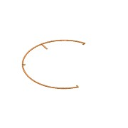 | Normal | Cable Tray KS80 - W200x53 L=34887 | SS 1.4301 - AISI 304 |  | 1 | 200,0 | 60,0 | 34887 | Project Piping
1.2.30 | 4003-02-PS11 | - |  |  | Normal | Skid Plate Aluminum 5/2 | Aluminum | Area | 1 |  |  |  | Project Specific Parts
1.3 | 4003-613-F01 | - |  |  | Normal | Mixing Tank 1 Foundation | Concrete | Mixing Area 02 | 1
1.4 | 4003-613-F02 | - |  |  | Normal | Mixing Tank 2 Foundation | Concrete | Mixing Area 02 | 1
1.5 | 4003-02.1-B01 | - |  |  | Normal | Common Pump House | - | Mixing Area 02 | 1 |  |  |  | Building/Foundation
1.6 | 4003-02.1-F01 | - |  |  | Normal | Pump House Foundation | Concrete | Mixing Area 02 | 1 |  |  |  | Building/Foundation
1.7 | 0000-700-002 |  |  | 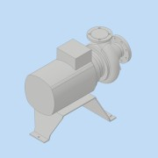 | Purchased | Pump - DN100 - 18,5kW - MPTK-I 80 | N/A |  | 1 |  |  |  | PID-Equipment
2 | 4003-02.1-BM003-01 | - |  | 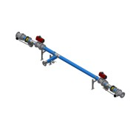 | Normal | Distribution Piping from Mixer tanks to Pump |  | Area | 1 |  |  |  | Project Piping
2.1 | 4003-02.1-BM003-01-01 | - | RO-139-026 |  | Normal | Pipe - DN-Ø139.7x2.6 L=6448 - EN10217-7 | SS 1.4301 - AISI 304 |  | 1 | 139,7 | 2,6 | 3734 | Project Piping
2.2 | 0000-701-051 | - |  |  | Normal | Ball valve Manual with indicator - DN125/PN16 - Pekos 02 TTT/PI | N/A |  | 2 |  |  |  | PID-Valve
2.3 | 0000-703-040 |  | TR-139-026 | (NULL) | Purchased | Tee Equal - DN125 - Ø139,7x2,6 - EN10253-4 | SS 1.4571 - AISI 316Ti |  | 3 |  |  |  | Standard Fittings
2.4 | 0000-703-020 |  |  |  | Purchased | Pressed Flange - DN125-PN10/16 - EN 1092-1 Typ 02 | SS 1.4301 - AISI 304 |  | 12 |  |  |  | Standard Fittings
2.5 | 0000-703-010 |  | BÖ-139-020 |  | Purchased | Collar - DN125/PN10-EN1092-1 Typ37 | SS 1.4571 - AISI 316Ti |  | 12 |  |  |  | Standard Fittings
2.6 | 0000-703-022 |  | BF-125-000 | (NULL) | Purchased | Blind Flange - DN125 - PN10/16 - EN 1092-1 Typ 05 | SS 1.4571 - AISI 316Ti |  | 2 |  |  |  | Standard Fittings
2.7 | 0000-701-052 | - |  | 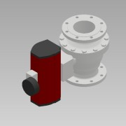 | Normal | Ball valve Automatic- DN125/PN16 - Pekos 02 TTT/RC200-DA/PI | N/A |  | 2 |  |  |  | PID-Valve
2.8 | 0000-703-020 |  |  |  | Purchased | Pressed Flange - DN100-PN10/16 - EN 1092-1 Typ 02 | SS 1.4301 - AISI 304 |  | 1 |  |  |  | Standard Fittings
2.9 | 0000-703-010 |  | BÖ-114-020 |  | Purchased | Collar - DN100/PN10-EN1092-1 Typ37 | SS 1.4571 - AISI 316Ti |  | 1 |  |  |  | Standard Fittings
2.10 | 0000-703-050 |  | RK-139-114 | 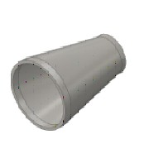 | Purchased | Reducer - DN125/DN100x127 - EN 10253-4 | SS 1.4571 - AISI 316Ti |  | 1 |  |  |  | Standard Fittings
2.11 | 0000-701-001 |  |  | 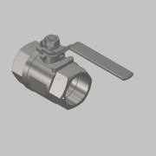 | Normal | Ball valve - DN50 - manual - Valtor V-106 | Stainless Steel |  | 1 |  |  |  | PID-Valve
2.12 | 0000-703-060 |  | AN-200-100 |  | Purchased | Welding Nipple - 2'' DN50xL100 - EN10241 | SS 1.4571 - AISI 316Ti |  | 1 |  |  |  | Standard Fittings
2.13 | 0000-750-016 |  |  |  | Purchased | Compensator - DN125-PN10 - Type 50 NBR | - |  | 2 |  |  |  | Mechanical Components
2.14 | 0000-754-010 |  |  |  | Purchased | Cantilever Arm - MT-BR-40 OC - 450mm | Steel, Galv. |  | 3 |  |  |  | Modular support systems - Hilti
2.15 | 0000-754-010 |  |  |  | Purchased | Cantilever Arm - MT-BR-40 OC - 300mm | Steel, Galv. |  | 3 |  |  |  | Modular support systems - Hilti
2.16 | 0000-754-030 |  |  |  | Purchased | Pipe clamp Heavy-Duty - Ø137-142 - MP-MRI (Sound Insulated) | Steel, Galv. |  | 3 |  |  |  | Mechanical Components
3 | 4003-02.1-BM002-01 | - |  |  | Normal | Distribution Piping to Mixer tanks |  | Area | 1 |  |  |  | Project Piping
3.1 | 4003-02.1-BM002-01-01 | - | RO-168-026 |  | Normal | Pipe - DN-Ø168,3x2,6 L=9169 - EN10217-7 | SS 1.4301 - AISI 304 |  | 1 | 168,3 | 2,6 | 9169 | Project Piping
3.2 | 0000-703-010 |  | BÖ-168-020 |  | Purchased | Collar - DN150/PN10-EN1092-1 Typ37 | SS 1.4571 - AISI 316Ti |  | 15 |  |  |  | Standard Fittings
3.3 | 0000-703-020 |  |  |  | Purchased | Pressed Flange - DN150-PN10/16 - EN 1092-1 Typ 02 | SS 1.4301 - AISI 304 |  | 15 |  |  |  | Standard Fittings
3.4 | 0000-701-051 |  |  |  | Normal | Ball valve Manual with indicator - DN150 - Valtor - Pekos 02 TTT/PI | - |  | 2 |  |  |  | PID-Valve
3.5 | 0000-701-052 |  |  |  | Normal | Ball valve - DN150 Automatic - Pekos 02 TTT/PI | - |  | 2 |  |  |  | PID-Valve
3.6 | 0000-703-022 |  | BF-150-000 | (NULL) | Purchased | Blind Flange - DN150 - PN10/16 - EN 1092-1 Typ 05 | SS 1.4571 - AISI 316Ti |  | 2 |  |  |  | Standard Fittings
3.7 | 0000-703-040 |  | TR-168-030 | (NULL) | Purchased | Tee Equal - DN150 - Ø168,3x2,6 - EN10253-4 | SS 1.4301 - AISI 304 |  | 4 |  |  |  | Standard Fittings
3.8 | 0000-703-030 |  | BO-168-026 |  | Purchased | Elbow 90° - DN150 Ø168,3x2,6 - Type3-R229 - DIN2605 | SS 1.4301 - AISI 304 |  | 2 |  |  |  | Standard Fittings
3.9 | 0000-701-001 |  |  |  | Normal | Ball valve - DN50 - manual - Valtor V-106 | Stainless Steel |  | 1 |  |  |  | PID-Valve
3.10 | 0000-703-060 |  | AN-200-100 |  | Purchased | Welding Nipple - 2'' DN50xL100 - EN10241 | SS 1.4571 - AISI 316Ti |  | 1 |  |  |  | Standard Fittings
3.11 | 0000-750-016 |  |  |  | Purchased | Compensator - DN150-PN10 - Type 50 NBR | - |  | 2 |  |  |  | Mechanical Components
3.12 | 0000-754-010 |  |  |  | Purchased | Cantilever Arm - MT-BR-40 OC - 300mm | Steel, Galv. |  | 3 |  |  |  | Modular support systems - Hilti
3.13 | 0000-754-030 |  |  |  | Purchased | Pipe clamp Heavy-Duty - Ø162-168 - MP-MRI (Sound Insulated) | Steel, Galv. |  | 3 |  |  |  | Mechanical Components
3.14 | 0000-754-010 |  |  |  | Purchased | Cantilever Arm - MT-BR-40 OC - 450mm | Steel, Galv. |  | 3 |  |  |  | Modular support systems - Hilti
3.15 | 0000-701-051 |  |  |  | Purchased | Ball valve Manual with indicator - DN150/PN16 - Pekos 06 TTTG/PI | Stainless Steel |  | 1 |  |  |  | PID-Valve
3.16 | 0000-703-030 |  | 45-168-026 |  | Purchased | Elbow 45° - DN150 Ø168,3x2,6 - Type3-R229 - DIN2605 | SS 1.4301 - AISI 304 |  | 1 |  |  |  | Standard Fittings
4 | 4003-02.1-BM003-02 | - |  |  | Normal | Piping from Pump to ground |  | Area | 1 |  |  |  | Project Piping
4.1 | 4003-02.1-BM003-02-01 | - | RO-114-026 |  | Normal | Pipe - DN-Ø114,3x2,6 L=2518 - EN10217-7 | SS 1.4301 - AISI 304 |  | 1 | 114,3 | 2,6 | 2518 | Project Piping
4.2 | 0000-703-020 |  |  |  | Purchased | Pressed Flange - DN100-PN10/16 - EN 1092-1 Typ 02 | SS 1.4301 - AISI 304 |  | 4 |  |  |  | Standard Fittings
4.3 | 0000-703-010 |  | BÖ-114-026 |  | Purchased | Collar - DN100/PN10-EN1092-1 Typ37 | SS 1.4301 - AISI 304 |  | 4 |  |  |  | Standard Fittings
4.4 | 0000-703-030 |  | BO-114-026 |  | Purchased | Elbow 90° - DN100 Ø114,3x2,6 - Type3-R152 - DIN2605 | SS 1.4301 - AISI 304 |  | 2 |  |  |  | Standard Fittings
4.5 | 0000-701-001 |  |  |  | Normal | Ball valve - DN50 - manual - Valtor V-106 | Stainless Steel |  | 2 |  |  |  | PID-Valve
4.6 | 0000-701-051 |  |  |  | Normal | Ball valve Manual with indicator - DN100 - Pekos 02 TTT/PI | - |  | 1 |  |  |  | PID-Valve
4.7 | 0000-703-065 |  |  |  | Purchased | Socket - 1½'' - DIN EN 10241 | SS 1.4571 - AISI 316Ti |  | 1 |  |  |  | Standard Fittings
4.8 | 0000-702-006 |  |  |  | Normal | Pressure Transmitter - VEGABAR 82 1½ | - |  | 1 |  |  |  | PID-Instrument
4.9 | 0000-703-060 |  | AN-200-100 |  | Purchased | Welding Nipple - 2'' DN50xL100 - EN10241 | SS 1.4571 - AISI 316Ti |  | 1 |  |  |  | Standard Fittings
4.10 | 0000-321-015 | - |  |  | Normal | SC-MPTK-80 - DN100_PN10 - BM | SS 1.4301 - AISI 304 |  | 1 |  |  |  | Basic Component
4.11 | 0000-754-002 |  |  |  | Purchased | Double Strut channel MT-40 S OC | Steel, Galv. |  | 1 |  |  |  | Modular support systems - Hilti
4.12 | 0000-754-010 |  |  |  | Purchased | Cantilever Arm - MT-BR-40 OC - 300mm | Steel, Galv. |  | 1 |  |  |  | Modular support systems - Hilti
4.13 | 0000-754-012 |  |  |  | Purchased | Base Plate - MT-B-O4 OC | Steel, Galv. |  | 1 |  |  |  | Modular support systems - Hilti
4.14 | 0000-754-030 |  |  |  | Purchased | Pipe clamp Heavy-Duty - Ø108-114 - MP-MRI (Sound Insulated) | Steel, Galv. |  | 1 |  |  |  | Mechanical Components
4.15 | 0000-701-001 |  |  |  | Purchased | Ball valve - DN40 - manual - Valtor V-106 | SS 1.4301 - AISI 304 |  | 1 |  |  |  | PID-Valve
4.16 | 0000-703-060 |  | AN-112-100 |  | Purchased | Welding Nipple - 1 ½'' DN40xL100 - EN10241 | SS 1.4571 - AISI 316Ti |  | 1 |  |  |  | Standard Fittings
5 | 4003-02.1-BM017-02 | - |  |  | Normal | Bypass Line |  | Area | 1 |  |  |  | Project Piping
5.1 | 0000-703-001 | - | RO-168-026 |  | Normal | Pipe - DN-Ø168,3x2,6 L=9872 - EN10217-7 | SS 1.4301 - AISI 304 |  | 1 | 168,3 | 2,6 | 8019 | Project Piping
5.2 | 0000-703-020 |  |  |  | Purchased | Pressed Flange - DN150-PN10/16 - EN 1092-1 Typ 02 | SS 1.4301 - AISI 304 |  | 6 |  |  |  | Standard Fittings
5.3 | 0000-703-010 |  | BÖ-168-020 |  | Purchased | Collar - DN150/PN10-EN1092-1 Typ37 | SS 1.4571 - AISI 316Ti |  | 6 |  |  |  | Standard Fittings
5.4 | 0000-701-051 |  |  |  | Purchased | Ball valve Manual with indicator - DN150/PN16 - Pekos 06 TTTG/PI | Stainless Steel |  | 2 |  |  |  | PID-Valve
5.5 | 0000-703-040 |  | TR-168-030 | (NULL) | Purchased | Tee Equal - DN150 - Ø168,3x2,6 - EN10253-4 | SS 1.4301 - AISI 304 |  | 1 |  |  |  | Standard Fittings
5.6 | 0000-703-030 |  | BO-168-026 |  | Purchased | Elbow 90° - DN150 Ø168,3x2,6 - Type3-R229 - DIN2605 | SS 1.4301 - AISI 304 |  | 2 |  |  |  | Standard Fittings
5.7 | 0000-701-001 |  |  |  | Normal | Ball valve - DN50 - manual - Valtor V-106 | Stainless Steel |  | 2 |  |  |  | PID-Valve
5.8 | 0000-703-060 |  | AN-200-100 |  | Purchased | Welding Nipple - 2'' DN50xL100 - EN10241 | SS 1.4571 - AISI 316Ti |  | 2 |  |  |  | Standard Fittings
6 | 4003-03-PS28 | - |  |  | Normal |  |  | Area | 2 |  |  |  | Project Specific Parts
6.1 | 0000-754-002 |  | 2268490 |  | Purchased | Heavy Duty Strut channel MT-100-S OC - 3000mm | Steel, Galv. |  | 3 |  |  |  | Modular support systems - Hilti
6.2 | 0000-754-010 |  |  |  | Normal | Angle Bracket MT-C-GL A OC | Steel, Galv. | Area | 2 |  |  |  | Modular support systems - Hilti
6.3 | 0000-754-012 |  | 2272104 |  | Purchased | Heavy Duty Baseplate - MT-B-GXL 04 OC | Steel, Galv. |  | 1 |  |  |  | Modular support systems - Hilti
6.4 | 0000-754-030 |  |  |  | Purchased | Pipe clamp Heavy-Duty - Ø162-168 - MP-MRI (Sound Insulated) | Steel, Galv. |  | 2 |  |  |  | Mechanical Components
6.5 | 0000-301-153 | - |  |  | Normal | Slet under parter til 300 nummer |  |  | 1
6.5.1 | 0000-301-153-01 |  |  |  | Normal | Slet under parter til 300 nummer |  |  | 1
6.5.2 | 0000-301-153-02 |  |  |  | Normal | Slet under parter til 300 nummer |  |  | 1
6.6 | 4003-03-A01 | - |  |  | Inseparable | Slet underparter til Inseparable |  |  | 1
6.6.1 | 4003-03-A01-01 |  |  |  | Normal | Slet underparter til Inseparable |  |  | 1
6.6.2 | 4003-03-A01-02 |  |  |  | Normal | Slet underparter til Inseparable |  |  | 1
6.7 | 4003-05-B01 |  |  |  | Phantom | Phantom |  |  | 1
6.8 | søældkfgj |  |  |  | Normal | tekst |  |  | 1

